Charts1
Create Line Chart with Proper formatting
Should be formatted as shown in picture
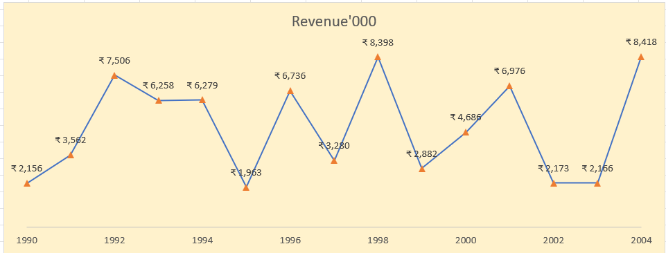
Date | Revenue'000
1990 | ₹ 2,156
1991 | ₹ 3,562
1992 | ₹ 7,506
1993 | ₹ 6,258
1994 | ₹ 6,279
1995 | ₹ 1,963
1996 | ₹ 6,736
1997 | ₹ 3,280
1998 | ₹ 8,398
Revenue'000
1999 | ₹ 2,882
2000 | ₹ 4,686
2001 | ₹ 6,976
2002 | ₹ 2,173
2003 | ₹ 2,166
2004 | ₹ 8,418

Charts2
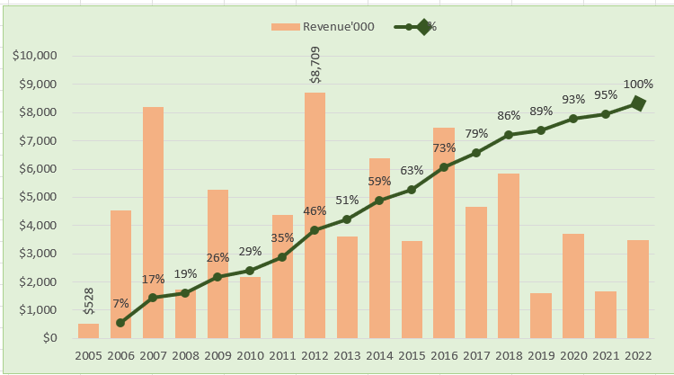
Create Combo Chart with Proper formatting
Should be formatted as shown in picture

Date | Revenue'000 | Running Total | %
2005 | $528
2006 | $4,550 | 5,078.00 | 7%
2007 | $8,189 | 13,267.00 | 17%
2008 | $1,730 | 14,997.00 | 19%
2009 | $5,262 | 20,259.00 | 26%
2010 | $2,172 | 22,431.00 | 29%
2011 | $4,384 | 26,815.00 | 35%
2012 | $8,709 | 35,524.00 | 46%
2013 | $3,618 | 39,142.00 | 51%
2014 | $6,372 | 45,514.00 | 59%
2015 | $3,456 | 48,970.00 | 63%
2016 | $7,478 | 56,448.00 | 73%
2017 | $4,649 | 61,097.00 | 79%
 | Revenue'000 | %
2005 | $528
2006 | $4,550 | 7%
2007 | $8,189 | 17%
2008 | $1,730 | 19%
2009 | $5,262 | 26%
2010 | $2,172 | 29%
2011 | $4,384 | 35%
2012 | $8,709 | 46%
2013 | $3,618 | 51%
2014 | $6,372 | 59%
2015 | $3,456 | 63%
2016 | $7,478 | 73%
2017 | $4,649 | 79%
2018 | $5,831 | 86%
2019 | $1,599 | 89%
2020 | $3,695 | 93%
2021 | $1,678 | 95%
2022 | $3,490 | 100%
2018 | $5,831 | 66,928.00 | 86%
2019 | $1,599 | 68,527.00 | 89%
2020 | $3,695 | 72,222.00 | 93%
2021 | $1,678 | 73,900.00 | 95%
2022 | $3,490 | 77,390.00 | 100%

Total | $77,390

3
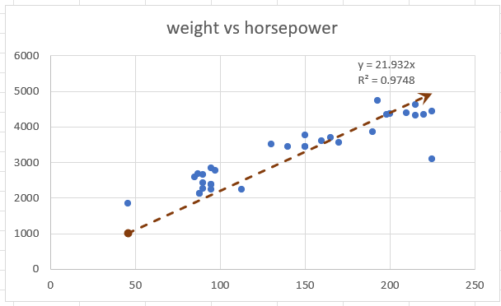
Create Scatter Chart with Proper formatting
Should be formatted as shown in picture
X | Y
horsepower | weight | (X-XBAR) | (Y-YBAR)
130 | 3504 | 130 | 2851.16
165 | 3693 | 165 | 3618.78
150 | 3436 | 150 | 3289.8
150 | 3433 | 150 | 3289.8
140 | 3449 | 140 | 3070.48
198 | 4341 | 198 | 4342.536
220 | 4354 | 220 | 4825.04
215 | 4312 | 215 | 4715.38
225 | 4425 | 225 | 4934.7
190 | 3850 | 190 | 4167.08
170 | 3563 | 170 | 3728.44
160 | 3609 | 160 | 3509.12
150 | 3761 | 150 | 3289.8
225 | 3086 | 225 | 4934.7
95 | 2372 | 95 | 2083.54
95 | 2833 | 95 | 2083.54
97 | 2774 | 97 | 2127.404
weight vs horsepower
85 | 2587 | 85 | 1864.22
88 | 2130 | 88 | 1930.016
46 | 1835 | 46 | 1008.872
87 | 2672 | 87 | 1908.084
90 | 2430 | 90 | 1973.88
95 | 2375 | 95 | 2083.54
113 | 2234 | 113 | 2478.316
90 | 2648 | 90 | 1973.88
215 | 4615 | 215 | 4715.38
200 | 4376 | 200 | 4386.4
210 | 4382 | 210 | 4605.72
193 | 4732 | 193 | 4232.876
88 | 2130 | 88 | 1930.016
90 | 2264 | 90 | 1973.88
95 | 2228 | 95 | 2083.54

